INSTRUCTIONS
 | DIDAK's CLIMBING HOLDS QUOTE SHEET TRADE - GENERAL | 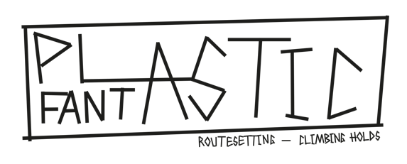

NOTES:

NOTES:
- Just type the quantity of products you want of each color or mixed in the appropriate box (the gray boxes)

- Fill de sheet with your order, save the file and send it to our e-mail: info@plasticfantasticshop.ch

- Any questions please contact at email info@plasticfantasticshop.ch

- You have to fill the CLIMBING HOLDS sheet or/and CHALK BAGS and MORE sheet, or/and VOLUMES sheet and see your final price al TOTAL sheet

- Shipping prices will be notificated after receiving the order sheet

- All prices in this sheet are without VAT

