SNAP HOLDS

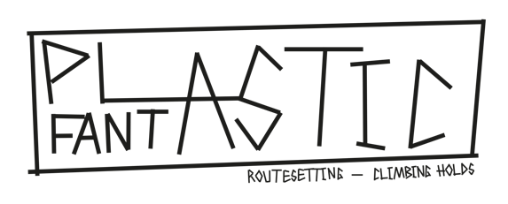
 |  |  |  |  |  |  |  |  |  |  |  | DELIVERY ADDRESS :
 |  |  |  |  |  |  |  |  |  |  |  | INVOICE ADDRESS :

 |  |  |  |  |  |  |  |  |  |  |  | TVA :

 |  |  |  |  |  |  |  |  |  |  |  | SUM PRICE (WITHOUT VAT) |  | 0.0 | CHF

 |  |  |  |  |  |  |  |  |  |  |  | SUM SETS |  | 0

 |  |  |  |  |  |  |  |  |  |  |  | SUM WEIGHT |  | 0.0 | KG

 |  |  |  |  |  |  |  |  | SUM HOLDS BY COLOUR |  |  | 0 | 0 | 0 | 0 | 0 | 0 | 0 | 0 | 0 | 0 | 0
NAME | PICTURES | N° SET | PROTOCOL NUMBER | SIZE | DUAL TEXTURE | DIFICULTY | NUMBER OF HOLDS | TYPE OF PREHENSION | DUAL TEXTURE | WEIGHT (KG) | PRICE (WITHOUT VAT) | JET BLACK RAL 9005 | PURE WHITE RAL 9010 | TRAFFIC RED RAL 3020 | BRIGHT YELLOW HTML FCDB00 | SKY BLUE RAL 5015 | US GREEN HTML 009933 | SIGNAL VIOLET RAL 4008 | FLUORO PINK HTML CC6072 | FLUORO GREEN HTML 1CA84F | FLUORO ORANGE HTML E88219 | SUMM SERIES | SUMM | ORDERED

TEARS | 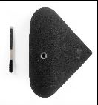 | 1 | 5619 | XXL | NO | MEDIUM / HARD | 1 | SLOPER | NO | 2.2 | CHF106.50 |  |  |  |  |  |  |  |  |  |  | 0 | CHF0.00 | NO
 | 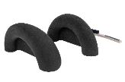 | 6 | 6388 | XXL | NO | EASY | 2 | JUGS | NO | 3.4 | CHF147.00 |  |  |  |  |  |  |  |  |  |  | 0 | CHF0.00 | NO
 | 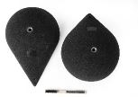 | 2 | 5620 | XXL | NO | MEDIUM / HARD | 2 | SLOPERS | NO | 3.0 | CHF135.52 |  |  |  |  |  |  |  |  |  |  | 0 | CHF0.00 | NO
 | 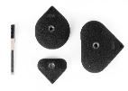 | 3 | 5621 | L | NO | MEDIUM / HARD | 3 | SLOPERS | NO | 1.2 | CHF73.00 |  |  |  |  |  |  |  |  |  |  | 0 | CHF0.00 | NO
 |  | 4 | 5622 | M | NO | MEDIUM / HARD | 3 | SLOPERS | NO | 0.6 | CHF36.00 |  |  |  |  |  |  |  |  |  |  | 0 | CHF0.00 | NO
 |  | 5 | 5623 | XS to S | NO | MEDIUM / HARD | 5 | FOOTHOLDS | NO | 0.1 | CHF18.00 |  |  |  |  |  |  |  |  |  |  | 0 | CHF0.00 | NO
SUNRISES |  | 1 | 5624 | M to XXL | NO | MEDIUM | 4 | PINCHS / JUGS | NO | 4.7 | CHF170.00 |  |  |  |  |  |  |  |  |  |  | 0 | CHF0.00 | NO
 | 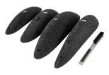 | 4 | 6578 | M to L | NO | HARD | 4 | PINCHS | NO | 1.7 | CHF112.00 |  |  |  |  |  |  |  |  |  |  | 0 | CHF0.00 | NO
 | 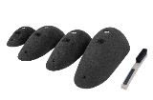 | 5 | 6579 | M to L | NO | HARD | 4 | PINCHS | NO | 1.9 | CHF123.00 |  |  |  |  |  |  |  |  |  |  | 0 | CHF0.00 | NO
 | 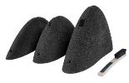 | 6 | 6580 | L to XL | NO | HARD | 3 | PINCHS | NO | 3.8 | CHF170.00 |  |  |  |  |  |  |  |  |  |  | 0 | CHF0.00 | NO
 | 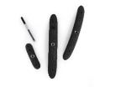 | 2 | 5625 | M to L | NO | MEDIUM | 3 | PINCHS | NO | 0.9 | CHF39.00 |  |  |  |  |  |  |  |  |  |  | 0 | CHF0.00 | NO
 |  | 3 | 5626 | S to L | NO | MEDIUM / HARD | 3 | CRIMPS / PINCHS | NO | 0.2 | CHF18.00 |  |  |  |  |  |  |  |  |  |  | 0 | CHF0.00 | NO
 |  | 7 | 6581 | XS to S | NO | HARD | 6 | CRIMPS | NO | 0.2 | CHF22.50 |  |  |  |  |  |  |  |  |  |  | 0 | CHF0.00 | NO
NEEDLES |  | 1 | 5628 | L | NO | HARD | 2 | PINCHS / SLOPERS | NO | 1.1 | CHF106.00 |  |  |  |  |  |  |  |  |  |  | 0 | CHF0.00 | NO
 |  | 2 | 5629 | L | NO | HARD | 2 | PINCHS / SLOPERS | NO | 0.7 | CHF100.00 |  |  |  |  |  |  |  |  |  |  | 0 | CHF0.00 | NO
 | 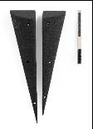 | 3 | 5630 | L | NO | HARD | 2 | PINCHS / SLOPERS | NO | 0.9 | CHF95.00 |  |  |  |  |  |  |  |  |  |  | 0 | CHF0.00 | NO
 | 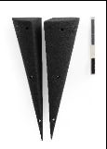 | 4 | 5631 | L | NO | MEDIUM | 2 | PINCHS / EDGES | NO | 1.1 | CHF85.00 |  |  |  |  |  |  |  |  |  |  | 0 | CHF0.00 | NO
 | 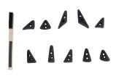 | 5 | 7179 | XS | NO | HARD | 10 | FOOTHOLDS | NO | 0.1 | CHF30.00 |  |  |  |  |  |  |  |  |  |  | 0 | CHF0.00 | NO
 | 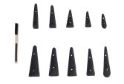 | 6 | 7178 | S | NO | HARD | 10 | FOOTHOLDS | NO | 0.4 | CHF37.00 |  |  |  |  |  |  |  |  |  |  | 0 | CHF0.00 | NO
BOUTONS | 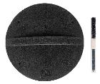 | 1 | 6577 | XL | NO | HARD | 1 | EDGE | NO | 0.9 | CHF51.50 |  |  |  |  |  |  |  |  |  |  | 0 | CHF0.00 | NO
 |  | 7 | 6377 | XL | NO | EASY | 1 | JUG | NO | 1.4 | CHF63.00 |  |  |  |  |  |  |  |  |  |  | 0 | CHF0.00 | NO
 | 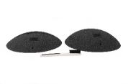 | 2 | 5635 | XL | NO | HARD | 2 | SLOPERS / EDGES | NO | 2.1 | CHF94.00 |  |  |  |  |  |  |  |  |  |  | 0 | CHF0.00 | NO
 | 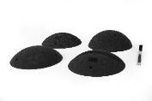 | 3 | 5636 | L | NO | HARD | 4 | SLOPERS / EDGES | NO | 2.1 | CHF115.00 |  |  |  |  |  |  |  |  |  |  | 0 | CHF0.00 | NO
 | 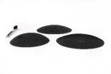 | 4 | 5637 | L | NO | HARD | 3 | SLOPERS / EDGES | NO | 1.2 | CHF75.50 |  |  |  |  |  |  |  |  |  |  | 0 | CHF0.00 | NO
 |  | 5 | 6376 | S | NO | HARD | 8 | CRIMPS / EDGES | NO | 0.5 | CHF39.00 |  |  |  |  |  |  |  |  |  |  | 0 | CHF0.00 | NO
 | 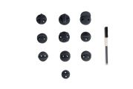 | 6 | 7175 | XS | NO | HARD | 10 | FOOTHOLDS | NO | 0.3 | CHF30.00 |  |  |  |  |  |  |  |  |  |  | 0 | CHF0.00 | NO
FISHTAILS | 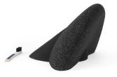 | 1 | 5640 | XXL | NO | EASY | 1 | JUG | NO | 2.3 | CHF110.88 |  |  |  |  |  |  |  |  |  |  | 0 | CHF0.00 | NO
 |  | 2 | 5641 | XXL | NO | EASY | 1 | JUG | NO | 2.1 | CHF96.32 |  |  |  |  |  |  |  |  |  |  | 0 | CHF0.00 | NO
 |  | 3 | 5722 | XL | NO | EASY | 3 | JUGS | NO | 2.851 | CHF135.00 |  |  |  |  |  |  |  |  |  |  | 0 | CHF0.00 | NO
 | 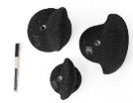 | 4 | 5642 | M to L | NO | EASY | 3 | JUGS | NO | 1.7 | CHF131.04 |  |  |  |  |  |  |  |  |  |  | 0 | CHF0.00 | NO
 | 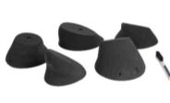 | 5 | 6385 | XL | NO | MEDIUM | 5 | SLOPERS / EDGES | NO | 4.8 | CHF226.00 |  |  |  |  |  |  |  |  |  |  | 0 | CHF0.00 | NO
 | 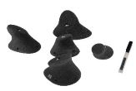 | 6 | 6386 | L | NO | MEDIUM | 5 | KNOBS / EDGES | NO | 2.0 | CHF120.00 |  |  |  |  |  |  |  |  |  |  | 0 | CHF0.00 | NO
BROKEN HILLS | 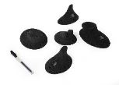 | 1 | 5643 | L | NO | HARD | 5 | KNOBS / EDGES | NO | 1.9 | CHF131.04 |  |  |  |  |  |  |  |  |  |  | 0 | CHF0.00 | NO
 | 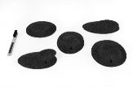 | 2 | 5727 | M | NO | HARD | 5 | EDGES | NO | 1.6 | CHF72.00 |  |  |  |  |  |  |  |  |  |  | 0 | CHF0.00 | NO
 | 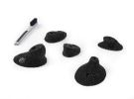 | 3 | 5644 | S | NO | HARD | 5 | CRIMPS | NO | 0.3 | CHF61.00 |  |  |  |  |  |  |  |  |  |  | 0 | CHF0.00 | NO
 | 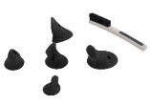 | 7 | 6387 | S | NO | HARD / MEDIUM | 5 | CRIMPS / FOOTHOLDS | NO | 0.3 | CHF34.00 |  |  |  |  |  |  |  |  |  |  | 0 | CHF0.00 | NO
 |  | 4 | 5645 | XS | NO | HARD | 5 | FOOTHOLDS | NO | 0.1 | CHF18.00 |  |  |  |  |  |  |  |  |  |  | 0 | CHF0.00 | NO
 | 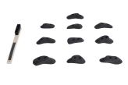 | 8 | 7176 | S | NO | HARD | 10 | CRIMPS / FOOTHOLDS | NO | 0.2 | CHF30.00 |  |  |  |  |  |  |  |  |  |  | 0 | CHF0.00 | NO
PLATES | 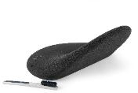 | 1 | 5647 | XXL | NO | EASY | 1 | JUG | NO | 4.9 | CHF168.00 |  |  |  |  |  |  |  |  |  |  | 0 | CHF0.00 | NO
 | 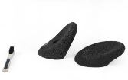 | 2 | 5648 | L | NO | EASY | 2 | JUGS | NO | 1.1 | CHF75.50 |  |  |  |  |  |  |  |  |  |  | 0 | CHF0.00 | NO
 | 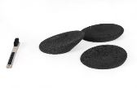 | 3 | 5725 | L | NO | MEDIUM | 3 | JUGS / CRIMPS | NO | 0.9 | CHF134.50 |  |  |  |  |  |  |  |  |  |  | 0 | CHF0.00 | NO
 |  | 4 | 5726 | M | NO | HARD | 4 | CRIMPS | NO | 0.3 | CHF39.00 |  |  |  |  |  |  |  |  |  |  | 0 | CHF0.00 | NO
 | 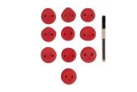 | 5 | 7180 | S | NO | HARD | 10 | CRIMPS | NO | 0.3 | CHF35.00 |  |  |  |  |  |  |  |  |  |  | 0 | CHF0.00 | NO
 |  | 6 | 7181 | XS | NO | HARD | 10 | CRIMPS | NO | 0.2 | CHF30.00 |  |  |  |  |  |  |  |  |  |  | 0 | CHF0.00 | NO
 | 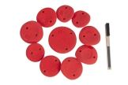 | 7 | 7182 | S-M | NO | HARD | 10 | JUGS/CRIMPS | NO | 0.6 | CHF45.00 |  |  |  |  |  |  |  |  |  |  | 0 | CHF0.00 | NO
 | 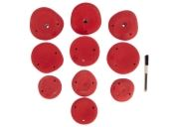 | 8 | 7183 | M-L | NO | MEDIUM | 10 | JUGS | NO | 3.3 | CHF155.00 |  |  |  |  |  |  |  |  |  |  | 0 | CHF0.00 | NO
 | 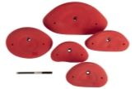 | 9 | 7184 | L-XL | NO | MEDIUM / EASY | 5 | JUGS | NO | 2.6 | CHF165.00 |  |  |  |  |  |  |  |  |  |  | 0 | CHF0.00 | NO
 | 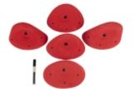 | 10 | 7185 | L-XL | NO | EASY | 5 | JUGS | NO | 2.8 | CHF175.00 |  |  |  |  |  |  |  |  |  |  | 0 | CHF0.00 | NO
 | 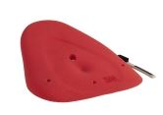 | 11 | 7186 | XXL | NO | EASY | 1 | JUG | NO | 1.7 | CHF150.00 |  |  |  |  |  |  |  |  |  |  | 0 | CHF0.00 | NO
 | 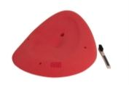 | 12 | 7187 | XXL | NO | EASY | 1 | JUG | NO | 2.6 | CHF160.00 |  |  |  |  |  |  |  |  |  |  | 0 | CHF0.00 | NO
JAWS | 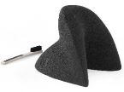 | 1 | 5651 | XL | NO | MEDIUM | 1 | JUG / EDGE | NO | 1.6 | CHF80.50 |  |  |  |  |  |  |  |  |  |  | 0 | CHF0.00 | NO
 | 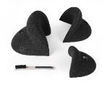 | 2 | 5729 | L to XL | NO | EASY | 3 | JUGS | NO | 2.9 | CHF145.50 |  |  |  |  |  |  |  |  |  |  | 0 | CHF0.00 | NO
 | 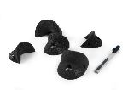 | 3 | 5728 | M | NO | EASY | 5 | JUGS | NO | 1.1 | CHF151.00 |  |  |  |  |  |  |  |  |  |  | 0 | CHF0.00 | NO
 | 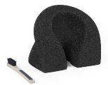 | 4 | 5730 | M | NO | MEDIUM | 1 | JUG / PINCH | NO | 2.1 | CHF87.00 |  |  |  |  |  |  |  |  |  |  | 0 | CHF0.00 | NO
 |  | 5 | 5652 | XS to S | NO | MEDIUM | 3 | CRIMPS | NO | 0.1 | CHF23.52 |  |  |  |  |  |  |  |  |  |  | 0 | CHF0.00 | NO
ROSWELL | 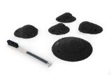 | 1 | 5723 | M | NO | HARD | 5 | SLOPERS | NO | 0.7 | CHF106.50 |  |  |  |  |  |  |  |  |  |  | 0 | CHF0.00 | NO
 | 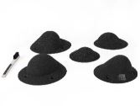 | 2 | 5724 | L | NO | HARD | 5 | SLOPERS | NO | 1.3 | CHF139.00 |  |  |  |  |  |  |  |  |  |  | 0 | CHF0.00 | NO
TUBES | 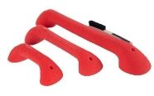 | 1 | 6378 | L to XL | NO | EASY | 3 | JUGS | NO | 2.3 | CHF112.00 |  |  |  |  |  |  |  |  |  |  | 0 | CHF0.00 | NO
 | 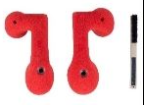 | 2 | 6379 | L | NO | EASY | 2 | JUGS | NO | 1.5 | CHF67.50 |  |  |  |  |  |  |  |  |  |  | 0 | CHF0.00 | NO
 | 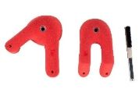 | 3 | 6380 | L | NO | EASY | 2 | JUGS | NO | 2.3 | CHF95.00 |  |  |  |  |  |  |  |  |  |  | 0 | CHF0.00 | NO
 | 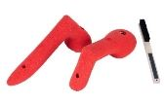 | 4 | 6381 | L | NO | EASY | 2 | JUGS | NO | 1.2 | CHF56.00 |  |  |  |  |  |  |  |  |  |  | 0 | CHF0.00 | NO
 |  | 5 | 8362 | S to M | NO | MEDIUM | 3 | JUGS / EDGE | NO | 0.7 | CHF45.00 |  |  |  |  |  |  |  |  |  |  | 0 | CHF0.00 | NO
 |  | 6 | 8363 | S | NO | MEDIUM / HARD | 5 | FOOTHOLDS | NO | 0.3 | CHF28.00 |  |  |  |  |  |  |  |  |  |  | 0 | CHF0.00 | NO
 |  | 7 | 6586 | S | NO | MEDIUM / HARD | 5 | FOOTHOLDS | NO | 0.2 | CHF36.00 |  |  |  |  |  |  |  |  |  |  | 0 | CHF0.00 | NO
 |  | 8 | 6587 | XS | NO | MEDIUM / HARD | 5 | FOOTHOLDS | NO | 0.1 | CHF27.00 |  |  |  |  |  |  |  |  |  |  | 0 | CHF0.00 | NO
SUGAR | 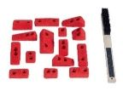 | 1 | 6384 | XS | NO | HARD | 15 | CRIMPS / FOOTHOLDS | NO | 0.2 | CHF51.00 |  |  |  |  |  |  |  |  |  |  | 0 | CHF0.00 | NO
 | 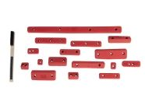 | 2 | 7177 | XS to S | NO | HARD | 16 | CRIMPS / FOOTHOLDS | NO | 0.445 | CHF52.00 |  |  |  |  |  |  |  |  |  |  | 0 | CHF0.00 | NO
RAINBOW | 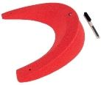 | 1 | 6582 | XXL | NO | HARD | 1 | EDGE / CRIMPS | NO | 1.5 | CHF78.50 |  |  |  |  |  |  |  |  |  |  | 0 | CHF0.00 | NO
 |  | 2 | 6583 | XL | NO | HARD | 1 | EDGE / CRIMPS | NO | 1.0 | CHF56.00 |  |  |  |  |  |  |  |  |  |  | 0 | CHF0.00 | NO
 |  | 3 | 6584 | M to L | NO | HARD | 5 | CRIMPS | NO | 2.0 | CHF112.00 |  |  |  |  |  |  |  |  |  |  | 0 | CHF0.00 | NO
 |  | 4 | 6585 | S to M | NO | HARD | 5 | CRIMPS | NO | 0.5 | CHF39.00 |  |  |  |  |  |  |  |  |  |  | 0 | CHF0.00 | NO
DONUTS |  | 1 | 6589 | XL | NO | EASY / MEDIUM | 2 | SLOPERS / HOLES | NO | 2.2 | CHF134.50 |  |  |  |  |  |  |  |  |  |  | 0 | CHF0.00 | NO
 |  | 2 | 6590 | XL | NO | MEDIUM | 2 | SLOPERS / HOLES | NO | 2.0 | CHF129.00 |  |  |  |  |  |  |  |  |  |  | 0 | CHF0.00 | NO
 |  | 3 | 6591 | L to XL | NO | HARD | 5 | SLOPERS / HOLES | NO | 2.6 | CHF190.00 |  |  |  |  |  |  |  |  |  |  | 0 | CHF0.00 | NO
 |  | 4 | 6592 | M to L | NO | EASY / MEDIUM | 8 | SLOPERS / HOLES | NO | 2.9 | CHF229.50 |  |  |  |  |  |  |  |  |  |  | 0 | CHF0.00 | NO
 |  | 5 | 6593 | XS to M | NO | HARD | 8 | CRIMPS / FOOTHOLDS | NO | 0.8 | CHF67.50 |  |  |  |  |  |  |  |  |  |  | 0 | CHF0.00 | NO
 |  | 6 | 6594 | XS to S | NO | HARD | 10 | CRIMPS / FOOTHOLDS | NO | 0.6 | CHF67.50 |  |  |  |  |  |  |  |  |  |  | 0 | CHF0.00 | NO
RAZOR BLADE |  | 1 | 7307 | XS | YES | HARD | 5 | CRIMPS | YES | 0.1 | CHF20.00 |  |  |  |  |  |  |  |  |  |  | 0 | CHF0.00 | NO
 |  | 2 | 7306 | S | YES | HARD | 8 | CRIMPS | YES | 0.2 | CHF35.00 |  |  |  |  |  |  |  |  |  |  | 0 | CHF0.00 | NO
 |  | 3 | 7305 | M | YES | HARD | 5 | CRIMPS | YES | 0.3 | CHF30.00 |  |  |  |  |  |  |  |  |  |  | 0 | CHF0.00 | NO
 |  | 4 | 7304 | M | YES | HARD | 10 | CRIMPS | YES | 0.8 | CHF65.00 |  |  |  |  |  |  |  |  |  |  | 0 | CHF0.00 | NO

SNAP VOLUMES
 |  |  |  |  |  |  |  |  |  |  | DELIVERY ADDRESS :

 |  |  |  |  |  |  |  |  |  |  | INVOICE ADDRESS :

 |  |  |  |  |  |  |  |  |  |  | TVA :

 |  |  |  |  |  |  |  |  |  |  | SUM PRICE (WITHOUT VAT) |  | 0.0 | CHF
 |  |  |  |  |  |  |  |  |  |  | SUM SETS |  | 0

 |  |  |  |  |  |  |  |  |  |  | SUMM WEIGHT |  | 0.0 | KG

 |  |  |  |  |  |  | SUM HOLDS BY COLOUR |  |  |  |  | 0 | 0 | 0 | 0 | 0 | 0 | 0 | 0 | 0 | 0
NAME | PICTURES | N° SET | SIZE | DIMENSIONS (mm) | DIFICULTY | TYPE OF PREHENSION | NUMBER OF PIECES | FIXING | DUAL TEXTURE | WEIGHT (KG) | PRICE (WHITOUT VAT) | BLACK RAL 9005 | WHITE | RED RAL 3000 | YELLOW RAL 1018 | BLUE RAL 5015 | GREEN. RAL 6018 | ORANGE. RAL 1033 | PINK RAL 4003 | GREY. RAL 7001 | PURPLE S4050-R60B/M | SOMME SERIES | SUM | ORDERED

NEEDLES |  | 1 | XS-M | 35x23,5x12 cm, 22,5x17x9,5 cm, 21,5x13x6 cm, 10x7,5x4 cm | MEDIUM | PINCH / EDGE | 4 | SCREWS-ONS | YES | 2.08 | CHF650.00 |  |  |  |  |  |  |  |  |  |  | 0 | CHF0.00 | NO
 |  | 2 | M | 32x15x7 cm | MEDIUM | PINCH / EDGE | 1 | SCREWS-ONS | NO | 0.55 | CHF150.00 |  |  |  |  |  |  |  |  |  |  | 0 | CHF0.00 | NO
 |  | 3 | L | 56x26,5x12,5 cm | EASY | JUG / EDGE | 1 | SCREWS-ONS | NO | 1.9 | CHF175.00 |  |  |  |  |  |  |  |  |  |  | 0 | CHF0.00 | NO
 |  | 4 | L | 56x26,5x12,5 cm | MEDIUM | PINCH / EDGE | 1 | SCREWS-ONS | NO | 1.6 | CHF175.00 |  |  |  |  |  |  |  |  |  |  | 0 | CHF0.00 | NO
 |  | 5 | L | 77,5x36x17 cm | MEDIUM | PINCH / EDGE | 1 | SCREWS-ONS | NO | 2.8 | CHF190.00 |  |  |  |  |  |  |  |  |  |  | 0 | CHF0.00 | NO
 |  | PACK | XS-M | - | EASY/MEDIUM | PINCH / EDGE | 8 | SCREWS-ONS | NO | 8.9 | CHF1,270.00 |  |  |  |  |  |  |  |  |  |  | 0 | CHF0.00 | NO
ROSWELL |  | 1 | M | 36x35x16 cm | MEDIUM / HARD | SLOPER | 1 | SCREWS-ONS | YES | 1.4 | CHF200.00 |  |  |  |  |  |  |  |  |  |  | 0 | CHF0.00 | NO
 |  | 2 | S | 27,5x27,5x8,5 cm | HARD | SLOPER | 1 | SCREWS-ONS | YES | 1.0 | CHF195.00 |  |  |  |  |  |  |  |  |  |  | 0 | CHF0.00 | NO
 |  | 3 | M | 39x39x8,5 cm | HARD | SLOPER | 1 | SCREWS-ONS | YES | 1.4 | CHF205.00 |  |  |  |  |  |  |  |  |  |  | 0 | CHF0.00 | NO
 |  | 4 | S | 25x25x10 cm | MEDIUM / HARD | SLOPER | 1 | SCREWS-ONS | YES | 1.0 | CHF195.00 |  |  |  |  |  |  |  |  |  |  | 0 | CHF0.00 | NO
 |  | 5 | M | 36x36x9,5 cm | HARD | SLOPER | 1 | SCREWS-ONS | YES | 1.4 | CHF205.00 |  |  |  |  |  |  |  |  |  |  | 0 | CHF0.00 | NO
 |  | 6 | L | 51x51x11 cm | HARD | SLOPER | 1 | SCREWS-ONS | YES | 2.1 | CHF245.00 |  |  |  |  |  |  |  |  |  |  | 0 | CHF0.00 | NO
 |  | 7 | L | 61x61x20 cm | HARD | SLOPER | 1 | SCREWS-ONS | YES | 3.1 | CHF290.00 |  |  |  |  |  |  |  |  |  |  | 0 | CHF0.00 | NO | DUAL TEXTURE ON THE BALL
 |  | 8 | L | 61x61x19 cm | MEDIUM / HARD | SLOPER | 1 | SCREWS-ONS | YES | 3.1 | CHF290.00 |  |  |  |  |  |  |  |  |  |  | 0 | CHF0.00 | NO | TEXTURE ON THE BALL
 |  | 9 | S | 26x26x11,5 cm | EASY / MEDIUM | SLOPER | 1 | SCREWS-ONS | YES | 0.7 | CHF205.00 |  |  |  |  |  |  |  |  |  |  | 0 | CHF0.00 | NO
 |  | 10 | S | 29x29x9,5 cm | MEDIUM | SLOPER | 1 | SCREWS-ONS | YES | 1.0 | CHF220.00 |  |  |  |  |  |  |  |  |  |  | 0 | CHF0.00 | NO
 |  | 11 | M | 44x44x17 cm | MEDIUM | SLOPER | 1 | SCREWS-ONS | YES | 1.8 | CHF245.00 |  |  |  |  |  |  |  |  |  |  | 0 | CHF0.00 | NO
 |  | 12 | M | 45,5x43x15 cm | MEDIUM | SLOPER | 1 | SCREWS-ONS | YES | 1.6 | CHF250.00 |  |  |  |  |  |  |  |  |  |  | 0 | CHF0.00 | NO
 |  | 13 | M | 48x48x27,5 cm | MEDIUM / HARD | HOLE / SLOPER | 1 | SCREWS-ONS | YES | 3.4 | CHF335.00 |  |  |  |  |  |  |  |  |  |  | 0 | CHF0.00 | NO
 |  | PACK 1 | S-L | ROSWELL 1 - 4 - 8 9 - 10 - 13 | EASY / MEDIUM | SLOPERS | 6 | SCREWS-ONS | YES | 1.6 | CHF1,370.00 |  |  |  |  |  |  |  |  |  |  | 0 | CHF0.00 | NO
 |  | PACK 2 | S-L | ROSWELL 2 - 3 - 5 6 - 8 - 11 | MEDIUM / HARD | SLOPERS | 6 | SCREWS-ONS | YES | 1.62 | CHF1,315.00 |  |  |  |  |  |  |  |  |  |  | 0 | CHF0.00 | NO
DONUTS |  | 2 | M | 37x30x17 cm | EASY | JUG / HOLE | 1 | INSERT + SCREWS ONS | NO | 2 | CHF195.00 |  |  |  |  |  |  |  |  |  |  | 0 | CHF0.00 | NO
 |  | 3 | M | 39,5x31,5x13 cm | EASY / MEDIUM | JUG / HOLE | 1 | INSERT + SCREWS ONS | NO | 1.69 | CHF195.00 |  |  |  |  |  |  |  |  |  |  | 0 | CHF0.00 | NO
 |  | 4 | M | 38x36x15 cm | EASY / MEDIUM | JUG / HOLE | 1 | INSERT + SCREWS ONS | NO | 2.09 | CHF205.00 |  |  |  |  |  |  |  |  |  |  | 0 | CHF0.00 | NO
 |  | 5 | M | 39x36,5x10 cm | EASY / MEDIUM | JUG / HOLE | 1 | INSERT + SCREWS ONS | NO | 1.62 | CHF195.00 |  |  |  |  |  |  |  |  |  |  | 0 | CHF0.00 | NO
 |  | 6 | M | 38,5x38,5x6 cm | MEDIUM / HARD | HOLE / SLOPER | 1 | SCREWS-ONS | NO | 1.48 | CHF185.00 |  |  |  |  |  |  |  |  |  |  | 0 | CHF0.00 | NO
 |  | 7 | M | 39x34x9 cm | MEDIUM / HARD | HOLE / SLOPER | 1 | SCREWS-ONS | NO | 1.43 | CHF185.00 |  |  |  |  |  |  |  |  |  |  | 0 | CHF0.00 | NO
 |  | 8 | M | 39x37,5x6 cm | HARD | HOLE / SLOPER | 1 | SCREWS-ONS | NO | 1.48 | CHF185.00 |  |  |  |  |  |  |  |  |  |  | 0 | CHF0.00 | NO
 |  | 9 | M | 39,5x35x6 cm | HARD | HOLE / SLOPER | 1 | SCREWS-ONS | NO | 1.45 | CHF185.00 |  |  |  |  |  |  |  |  |  |  | 0 | CHF0.00 | NO
 |  | PACK | M | 37x26x18,5 cm, 42,5x20x16,5 cm | EASY/MEDIUM/HARD | HOLE / SLOPER | 8 | SCREWS-ONS | NO | 13.2 | CHF1,450.00 |  |  |  |  |  |  |  |  |  |  | 0 | CHF0.00 | NO
 |  | 10 | M | 37x26x18,5 cm, 42,5x20x16,5 cm | HARD | HOLE / SLOPER | 2 | INSERT + SCREWS ONS | YES | 3.52 | CHF560.00 |  |  |  |  |  |  |  |  |  |  | 0 | CHF0.00 | NO | REVERSED DUAL TEXTURE
 |  | 11 | M | 37x26x18,5 cm, 42,5x20x16,5 cm | HARD | HOLE / SLOPER | 2 | INSERT + SCREWS ONS | YES | 3.52 | CHF560.00 |  |  |  |  |  |  |  |  |  |  | 0 | CHF0.00 | NO
STARLIGHT |  | 1 | L | 66x34x15,5 cm | HARD | SLOPER | 1 | SCREWS-ONS | YES | 1.8 | CHF250.00 |  |  |  |  |  |  |  |  |  |  | 0 | CHF0.00 | NO
 |  | 2 | L | 69,5x36,5x18 cm | HARD | SLOPER | 1 | SCREWS-ONS | YES | 1.9 | CHF250.00 |  |  |  |  |  |  |  |  |  |  | 0 | CHF0.00 | NO
 |  | 3 | L | 77x40x18,5 cm | MEDIU! | SLOPER / JUG | 1 | SCREWS-ONS | YES | 2.35 | CHF260.00 |  |  |  |  |  |  |  |  |  |  | 0 | CHF0.00 | NO
 |  | 4 | L | 77,5x40x21,5 cm | MEDIUM | SLOPER/ JUG | 1 | SCREWS-ONS | YES | 2.55 | CHF280.00 |  |  |  |  |  |  |  |  |  |  | 0 | CHF0.00 | NO

