Summary

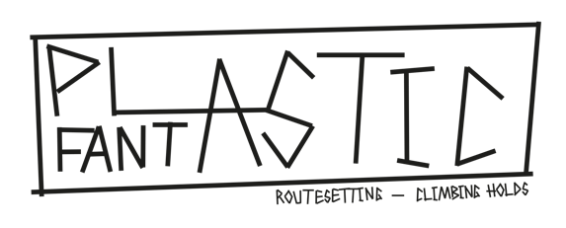

ORDER FORM 01/11/2022
(all prices are without VAT)

Invoice address

Delivery address

SUMMARY OF YOUR ORDER : |  | SUMMARY OF YOUR ORDER (USA) :
PU Holds | CHF0.00 | PU Holds | $0.00
PE Holds | CHF0.00
Fiberglass Volumes | CHF0.00
Wooden Volumes | CHF0.00
Training | CHF0.00

Total | CHF0.00

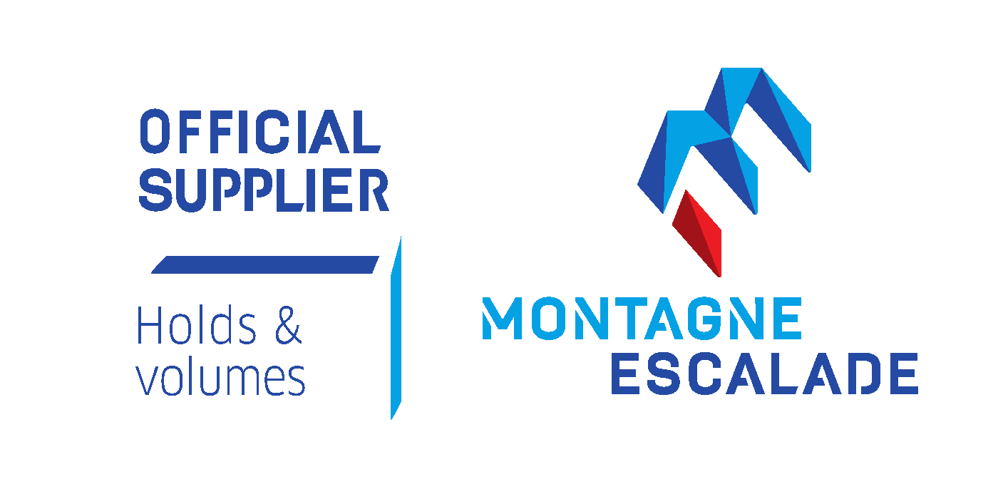

SARL EXPRESSION
16 Rue de Bretagne
56950 CRACH
France
sales@expression-holds.com

